Legend
What is CRUD? | Create, Read, Update, and Delete (CRUD) are the four basic functions that models should be able to do, at most.
What is GET? | The GET Method. GET is used to request data from a specified resource. GET is one of the most common HTTP methods.
What is POST? | POST is used to send data to a server to create/update a resource. The data sent to the server with POST is stored in the request body of the HTTP request:
What is PUT? | PUT is used to send data to a server to create/update a resource. The difference between POST and PUT is that PUT requests are idempotent. That is, calling the same PUT request multiple times will always produce the same result. In contrast, calling a POST request repeatedly have side effects of creating the same resource multiple times. pada PUT request, entitas terlampir dianggap sebagai versi modifikasi dari resource server asal, dan klien meminta agar versi yang disimpan diganti. ketika kita ingin memperbarui sebuah resource dengan permintaan PUT, maka kita harus mengirim seluruh sebagai permintaan
What is PATCH? | PATCH is somewhat analogous to the "update" concept found in CRUD (in general, HTTP is different than CRUD, and the two should not be confused) Sedangkan PATCH request, bagaimanapun, entitas terlampir berisi serangkaian instruksi yang menggambarkan bagaimana sumber daya yang saat ini berada di server asal harus dimodifikasi untuk menghasilkan versi baru. PATCH, Anda hanya mengirim parameter yang ingin Anda perbarui.
What is DELETE? | The DELETE method deletes the specified resource. P.S: This is Day 10 of the 30 days of API Testing challenge Series. Where will learn the Basics before jumping to API Automation.

HTTP Status Codes
These are the common HTTP status codes used by the Airport Gap API:

200 (OK): Your request was successful.
201 (Created): Your request was successful and a new resource was created for your account.
204 (No Content): Your request was successful and no content is returned in the response body.
401 (Unauthorized): Your request was unsuccessful because you are not authenticated. Usually this means you didn't supply your API token or supplied an invalid token.
404 (Not Found): Your request was unsuccessful because you attempted to access a resource that doesn't exist.
422 (Unprocessable Entity): Your request was unsuccessful because you did not submit the necessary parameters for the endpoint.
429 (Too Many Request): Your request was unsuccessful because you accessed the Airport Gap API too many times in a short period. See the Rate Limiting section for more information.

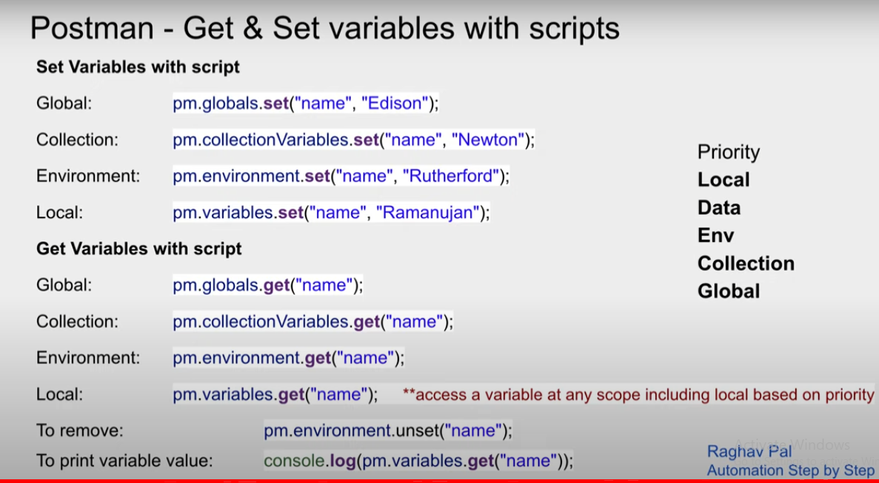

How to generate data from csv/json file - DDT
Buat table yang sesuai datanya sesuai dengan yang ingin di test
Save dengan format csv/json
Buat test case dengan = pm.expected(response.json.name).to.eql.(pm.iterationData.get("email") == agar generate data bisa berhasil karena {{""}} tidak bisa
Open file dan jalankan running collection

Test in postman
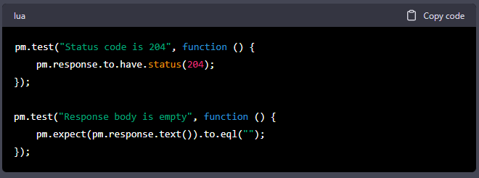
POST | GET
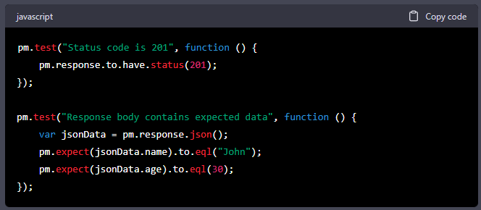
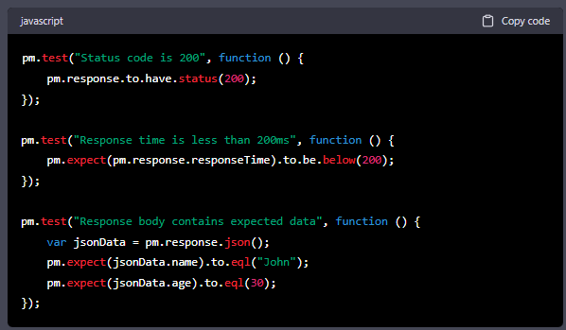

UPDATE
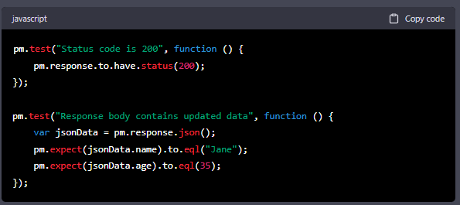
 | PATCH

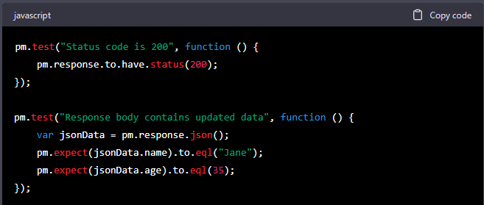

DELETE

